Tracking Requirements
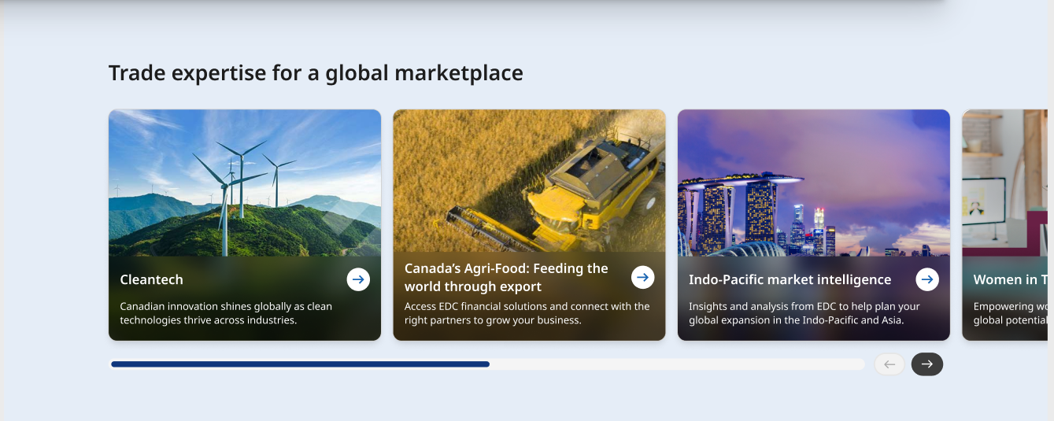
# | Requirements
1 | Track clicks on Cards
2 | Track horizontal scroll 50% and 100% scroll rate (mobile only based on latest discussion)

1

2

Data Layer Requirements - 1
# | Custom Event | Definition | Data Layer Element | Example Value | Definition | Value 1 | Value 2 | Value 3 | Value 4 | Value 5 | Value 6 | Value 7 | Value 8
1 | 'event': 'cta' | When a user clicks on any one of the card of the Trade Expertise Highlights | 'eventInfo.eventName': '<eventInfo.eventName>' | "card click - CleanTech" | Event action with title of the card (card click - <title>). Title to be retreived automatically
 |  |  | 'eventInfo.eventAction': '<eventInfo.eventAction>' | "card" | Action taken by the user | card
 |  |  | 'eventInfo.eventType': '<eventInfo.eventType>' | "click" | Type of event - hardcoded | click
 |  |  | 'eventInfo.eventComponent': '<eventInfo.eventComponent>' | "Trade Expertise Highlights" | Retreive name of AEM component
 |  |  | 'eventInfo.eventText': '<eventInfo.eventText>' | "CleanTech" | Retreive title of the card

 | Code Snippet - Values to be filled accordingly
<script>
window.eventData = window.eventData || [];
window.eventData.push({
'event': 'cta',
'eventInfo': {
'eventName': '',
'eventAction': '',
'eventType': '',
'eventComponent': '',
'eventText': ''
}
});
</script>

Data Layer Requirements - 2
# | Custom Event | Definition | Data Layer Element | Example Value | Definition | Value 1 | Value 2 | Value 3 | Value 4 | Value 5 | Value 6 | Value 7 | Value 8
2 | 'event': 'scroll' | When a user scrolls horizontal in the trade expertise component | 'eventInfo.eventName': '<eventInfo.eventName>' | "1/2 - scroll" | Specific name of the scroll event with the scroll rate | full scroll | 1/2 scroll
 |  |  | 'eventInfo.eventAction': '<eventInfo.eventAction>' | "horizontal scroll" | Action taken by the user | horizontal scroll
 |  |  | 'eventInfo.eventType': '<eventInfo.eventType>' | "component scroll" | Type of event - hardcoded | component scroll
 |  |  | 'eventInfo.eventComponent': '<eventInfo.eventComponent>' | "Trade Expertise Highlights" | Retreive name of AEM component

 | Code Snippet - Values to be filled accordingly
<script>
window.eventData = window.eventData || [];
window.eventData.push({
'event': 'scroll',
'eventInfo': {
'eventName': '',
'eventAction': '',
'eventType': '',
'eventComponent': ''
}
});
</script>

